TD
 |  |  |  |  |  | Total
TD | 32.0 | 13.0 | 13.0 | 13.0 |  | 71.0%
Double | 64.0 | 26.0 | 26.0 | 26.0 |  | 142.0%

Active boost | 142.0%

Landing crafts | 8 | input
Lvl | 22 | drop-down
Total | 104
Casualties | 0% | input
Total | 104.00

 |  |  |  | Hero lvl 5 and boost 142%
Lvl zooks | 21
Dmg/shot/zook | 1,076.00 |  |  | 2,872.92
Shots per second | 0.50 |  |  | 0.7500
Seconds | 8.0 |  |  | 8.0
Dmg per second | 55,952.00 |  |  | 224,087.76
Total damage | 447,616.00 |  |  | 1,792,702.08 | 1,792,752.00

Damage per shot | 111,904.00 |  |  | 298,784

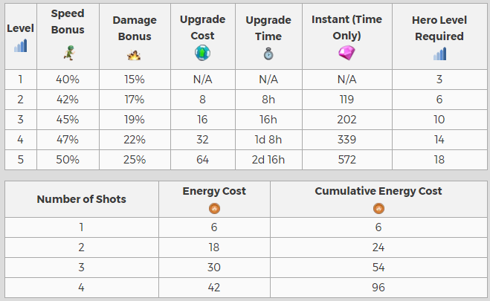

Land crafts |  |  | Level zooks |  |  |  | Hero level - Battle orders
Lvl | Qt |  | Lvl | Dps | per shot |  | Lvl | Speed bonus | Damage bonus
1 | 2 |  | 1 | 80.0 | 160.0 |  | 1 | 40.00% | 15.00%
2 | 3 |  | 2 | 88.0 | 176.0 |  | 2 | 42.00% | 17.00%
3 | 3 |  | 3 | 97.0 | 194.0 |  | 3 | 45.00% | 19.00%
4 | 4 |  | 4 | 106.0 | 212.0 |  | 4 | 47.00% | 22.00%
5 | 4 |  | 5 | 117.0 | 234.0 |  | 5 | 50.00% | 25.00%
6 | 5 |  | 6 | 129.0 | 258.0
7 | 5 |  | 7 | 142.0 | 284.0
8 | 6 |  | 8 | 156.0 | 312.0
9 | 6 |  | 9 | 171.0 | 342.0 |  | Lvl | Shots per second
10 | 7 |  | 10 | 189.0 | 378.0 |  | No hero | 0.5000
11 | 7 |  | 11 | 207.0 | 414.0 |  | 1 | 0.7000
12 | 8 |  | 12 | 228.0 | 456.0 |  | 2 | 0.7100
13 | 8 |  | 13 | 251.0 | 502.0 |  | 3 | 0.7250
14 | 9 |  | 14 | 276.0 | 552.0 |  | 4 | 0.7350
15 | 9 |  | 15 | 304.0 | 608.0 |  | 5 | 0.7500
16 | 10 |  | 16 | 334.0 | 668.0
17 | 10 |  | 17 | 368.0 | 736.0 |  | Lvl | Damage per shot
18 | 11 |  | 18 | 404.0 | 808.0 |  | No hero | 1,076
19 | 11 |  | 19 | 445.0 | 890.0 |  | 1 | 1,237
20 | 12 |  | 20 | 489.0 | 978.0 |  | 2 | 1,259
21 | 12 |  | 21 | 538.0 | 1,076.0 |  | 3 | 1,280
22 | 13 |  |  |  |  |  | 4 | 1,313
 |  |  |  |  |  |  | 5 | 1,345

